TEDB Edition 40
There are eight truck classes, categorized by the gross vehicle weight rating that the vehicle is assigned when it is manufactured. The pictures below show examples of some of the different body types that would be included in each class. Many of the body types can be in more than one category, depending on the vehicle’s attributes. Examples of this include pickups, box trucks, buses, and truck tractors.

Figure 5.1. Examples of Body Types in Each Truck Class

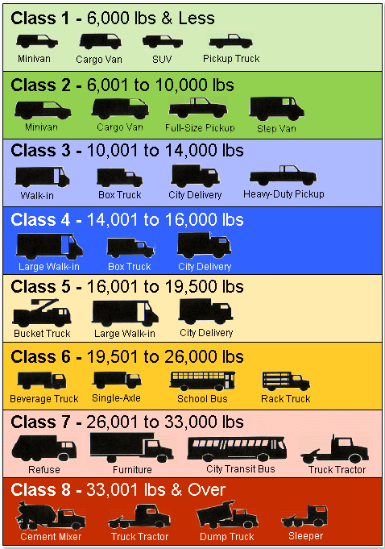

 | Weight
 | Category
Class | (Lbs) | Examples
1 | 6,000 & Less | Minivan, Cargo Van, SUV, Pickup Truck
2 | 6,001 - 10,000 | Minivan, Cargo Van, Full-Size Pickup, Step Van
3 | 10,000 - 14,000 | Walk-In, Box Truck, City Delivery, Heavy-Duty Pickup
4 | 14,001 - 16,000 | Large Walk-In, Box Truck, City Delivery
5 | 16,001 - 19,500 | Bucket Truck, Large Walk-In, City Delivery
6 | 19,501 - 26,000 | Beverage Truck, Single-Axle, School Bus, Rack Truck
7 | 26,001 - 33,000 | Refuse, Furniture, City Transit Bus, Truck Tractor
8 | 33,001 & Over | Cement Mixer, Truck Tractor, Dump Truck, Sleeper

Source:
Oak Ridge National Laboratory, National Transportation Research Center, Oak Ridge, TN. Gross vehicle weight category definitions from 49CFR565.6 (2000).

